EQ Template
STG Customer's Name |  | Melecs, HU, Györ | Issued by | Yang.zhao
STG Customer's P/N |  | 10000101982-00 CMN: 10908347 | Factory P/N | J0600095A00.0
STG P/N |  | 06R008973.A00 | Date | 2025-01-11

Customer Engineering Approval
The final decision for all suggestions, made by the factory or STG, is in the responsibility of the customer. Therefor it is mandatory to put a clear answer to all yellow marked cells in the document.
Choosen Base Material |  | See Q1 | Choosen Solder Mask | See Q2
Via Plugging Type |  | 没有塞孔：No via plugging needed | Delivery Panel Size(mm*mm) | 306 mm x 239 mm = 4-up panel

No | Description of the Problem/picture | Factory Suggestion/Proposal | STG Proposal | Customer Decision | EQ Status
1 | The material type defined in general specification<PCB_Technical_Supplier_Instructions_10000064018-12> as below,but the purchasing time is very long. | We suggested to use DK-C150 with TG150℃ please confirm. | STG DE MaG: is is offered with DK-C150. confirmed | Confirmed
2 | 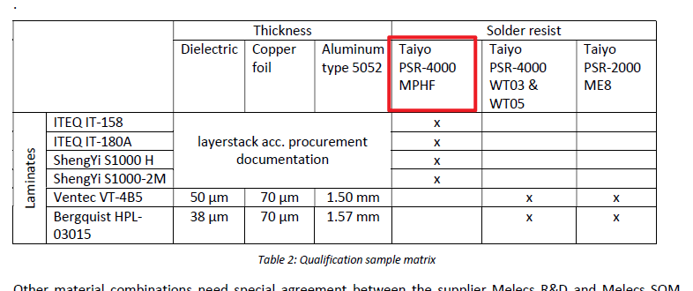 The solder mask type Taiyo PSR-4000 MPHF defined in general specification <PCB_Technical_Supplier_Instructions_10000064018-12> is not our normal one that the phurchasing time is very long. | we suggest to use Yeyo YSR-900 GM/matte green with halogen. please confirm. | STG DE MaG: is is offered with Yeyo YSR-900 GM/matte green. confirmed | Halogen free material would be preferred but suggested material can be used.
3 | 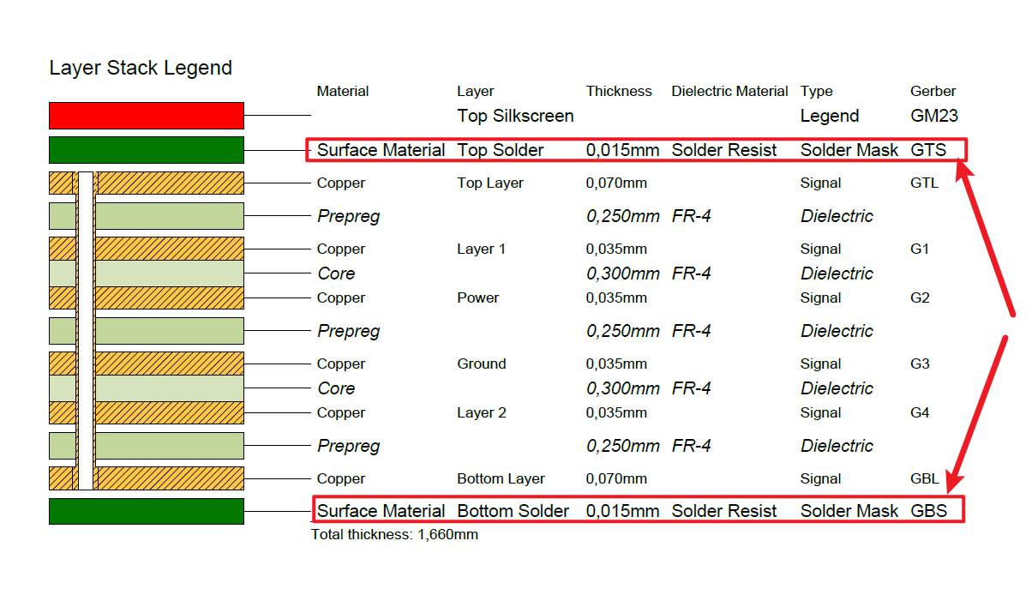 The solder mask thickness is hard to control during the production In general specification <PCB_Technical_Supplier_Instructions_10000064018-11> 4.4.3defined the solde mask on dielectric surface 10-50μm is strick for our capability | We suggest to control as below： conductor edge：5um min conductor:10-50um dielectric surface:10um min, and not exceed the finished copper thickness Please confirm |  | Confirmed
4 | 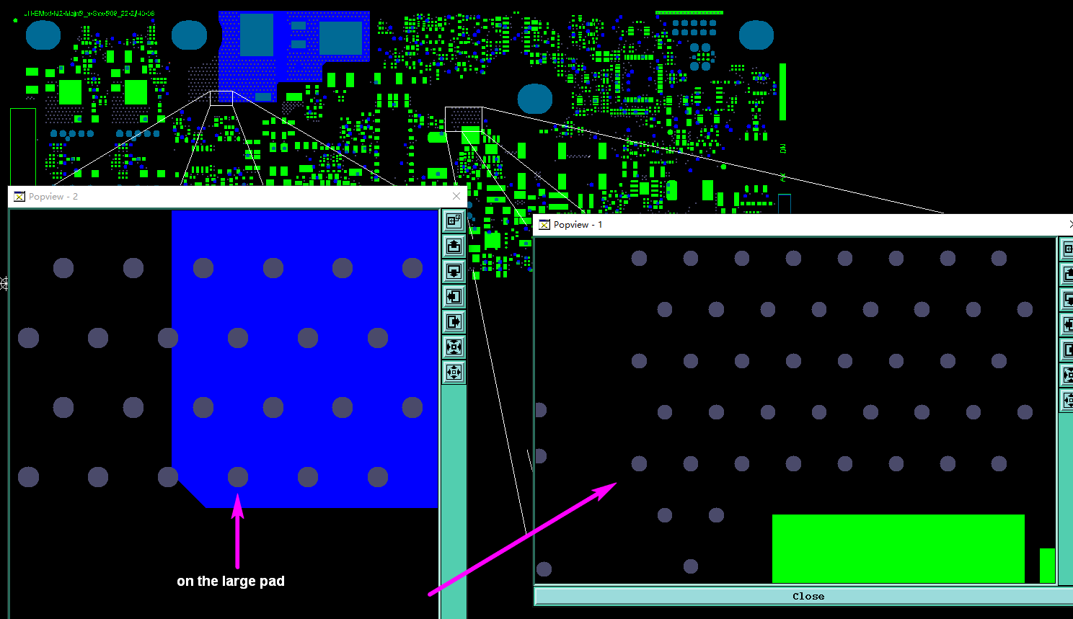 There are solder mask opening as big as via holes Please noted that we didn't show you all the places, we just catch part of the image to show this question | please choose A or B: A:Suggest add the solder mask opening bigger than holes and smaller than pads B:We will delete the both side of the solder mask opening,and plug these via holes with solder mask(Keep the solder mask opening on the large pad) |  | Please use A
5 | As below picture shows, We don't know if this position is added to our automark or the customer | suggest add our automark at position 13) Please confirm |  | Melecs: confirmed
6 | As below picture shows, the requirement of serial number 8) is differen from customer PN:10000101982-00 CMN: 10908347 | Please choose A or B A:add customer PN 10000101982-00 CMN: 10908347 to replace B:add customer PN 10000101982-00 to replace |  | Melecs: option B confirmed
7 | 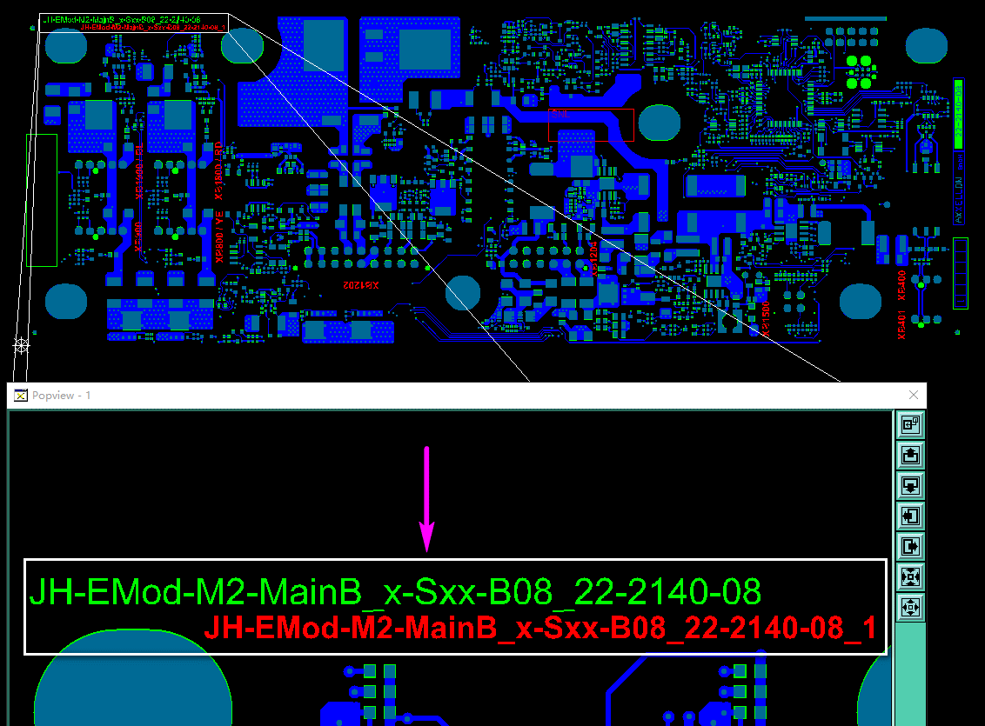 As below picture shows, The customer number in gerber is different from that in PO. | In order to avoid misunderstanding.we will ignore the difference ,and just follow Gerber to do Please confirm |  | Melecs: please follow the gerber data, it is our customer material number. 10000101982-00 is only Melecs internal PCB material number.
8 | 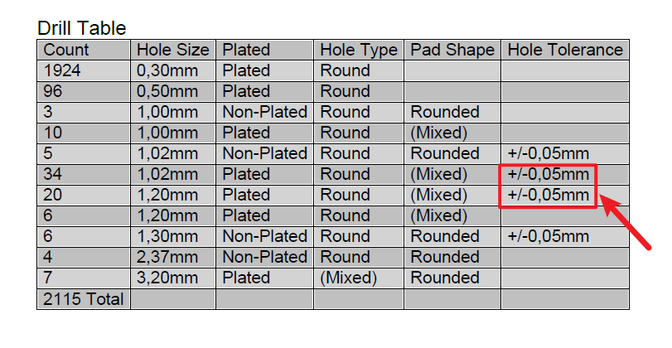 The tolerance for the PTH are strict for us | Suggest relax the PTH tolerance as +/-0.075mm please confirm. | STG DE MaG: not confirmed, it is chemical surface, should be possible | Confirmed
9 | 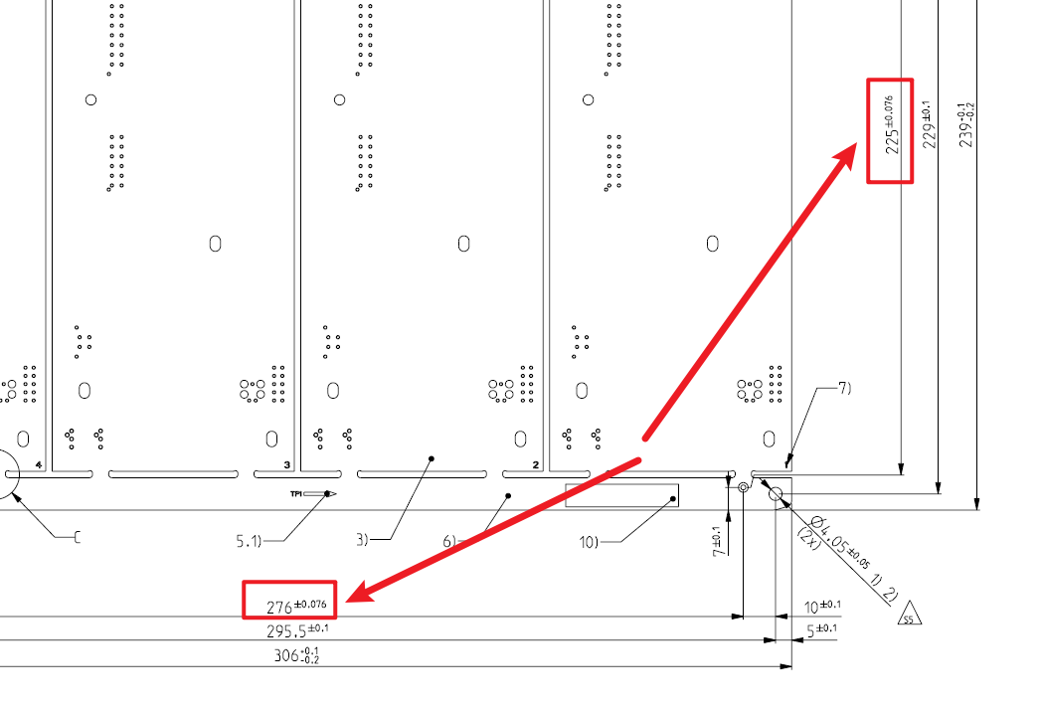 As below picture shows,The tolerance for the fiducial mark to fiducial mark are strict for us | Suggest relax the tolerance as +/-0.1mm please confirm. |  | Melecs: fiducial marks are the base of acciracy of component placement and measurement. Please keep the original tolerances.
10 | 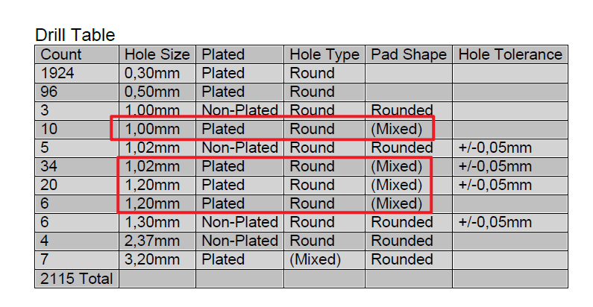 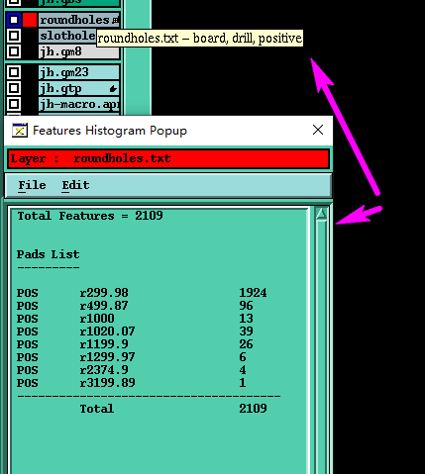 As below picture shows,The 1.0mm, 1.02mm and 1.2mm holes are only round holes in gerber | we will follow gerber to do please confirm. | STG DE MaG: confirmed | Confirmed
11 | As below picture shows,In the general specification "<PCB_Technical_Supplier_Instructions_10000064018-12>", no tolerances are defined for the PTH slots that need to be drilled | We suggest that all PTH slot width and slot length tolerances follow +/-0.1mm please confirm. | STG DE MaG: confirmed | Confirmed
12 | 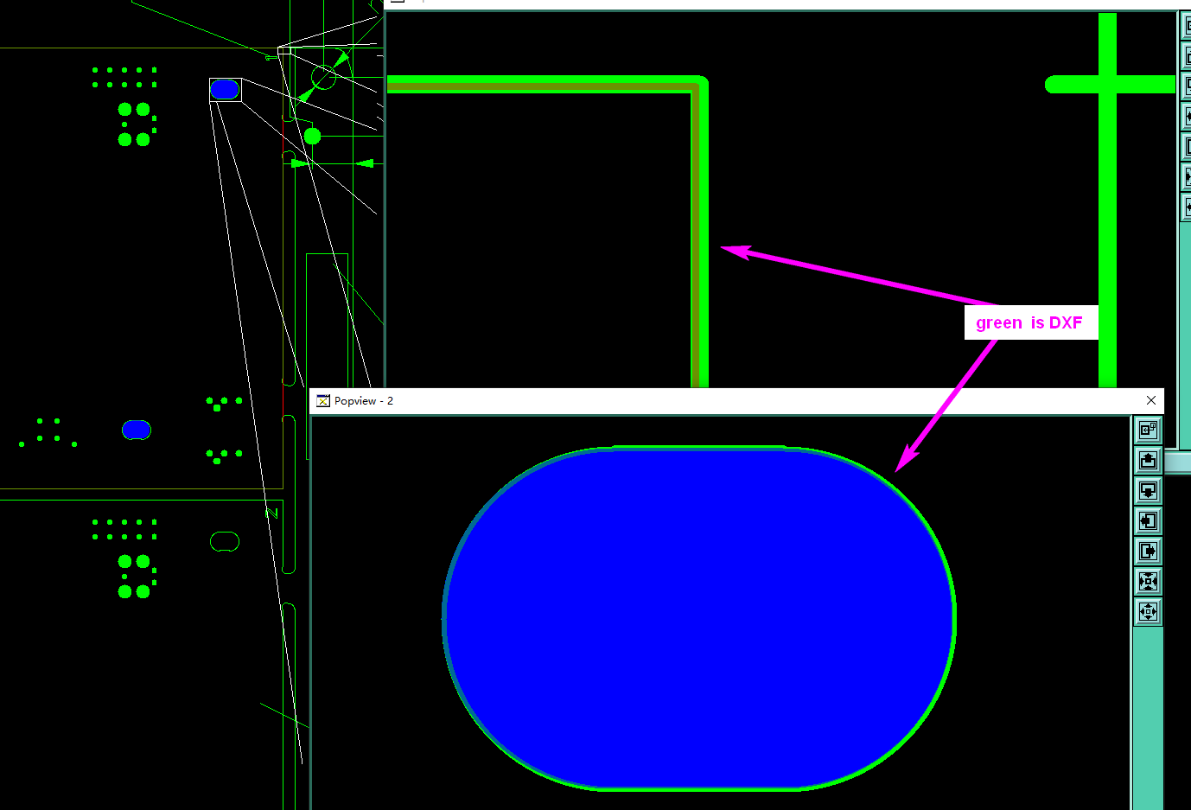 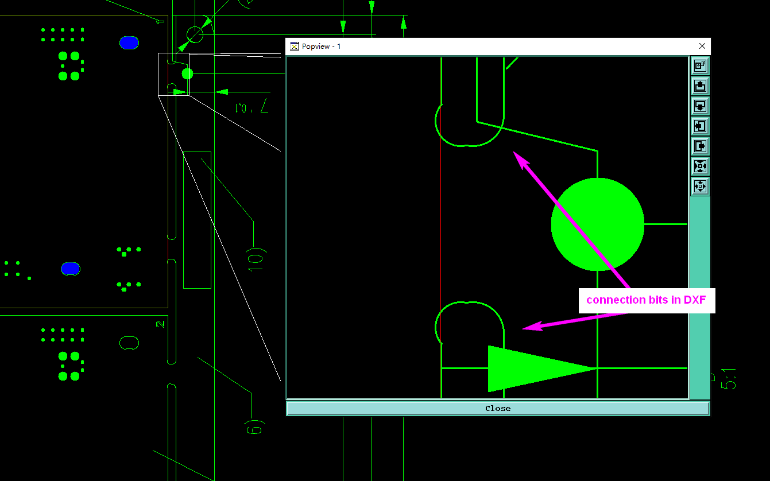 As below picture shows,the single PCB outline and slot in gerber are different from single PCB outline and slot in DXF Please noted that we didn't show you all the places, we just catch part of the image to show this question | We suggest the single PCB outline and slot follow the gerber to do. In addition,the connection bits we will follow DXF Please confirm |  | Melecs: confirm your suggestion.
13 | 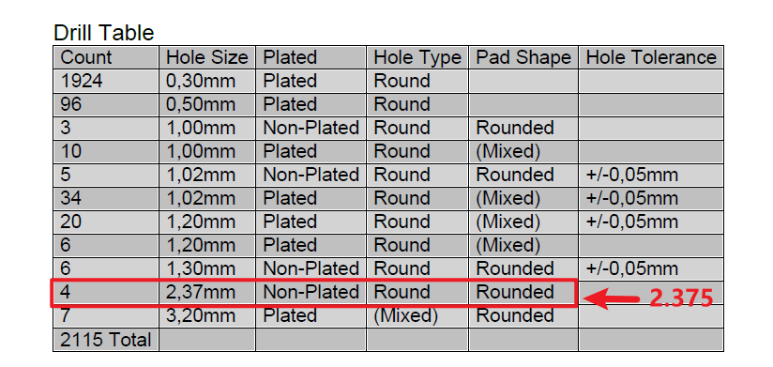 As below picture shown,The hole sizes in the "drill table" are not the same as those in the 'roundhole.txt' layer | we suggest hole size follow gerber to do Please confirm | STG DE MaG: confirmed | Confirmed
14 | 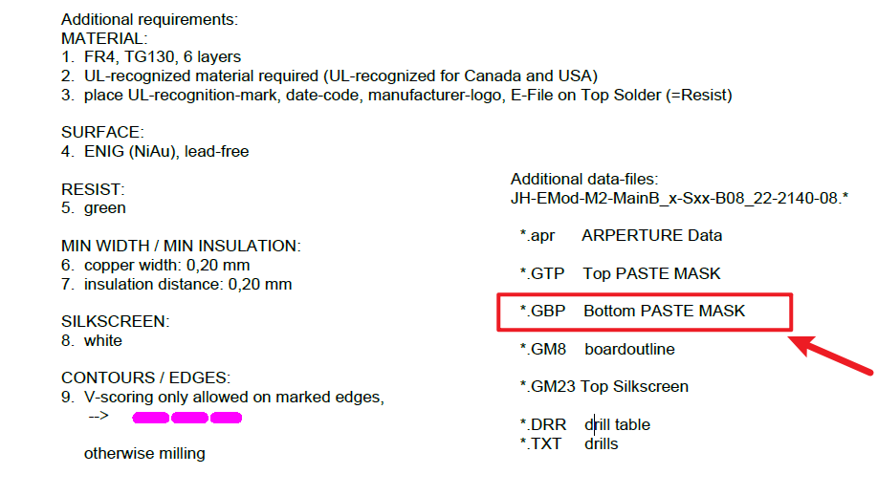 As below picture shown,In the additional requirements and file package there is "GBP:Bottom PASTE MASK", but in Gerber there is only the "GTP" layer | we suggest follow gerber to do Please confirm |  | Confirmed no Bottom Paste
15 | 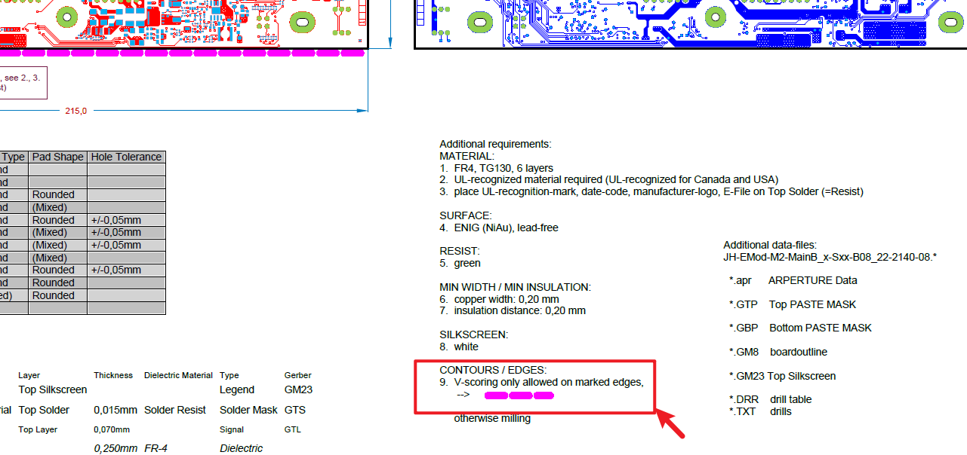 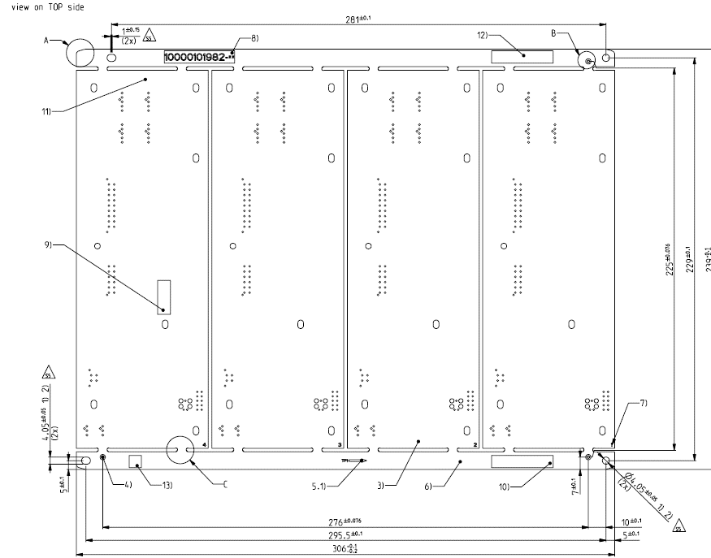 As below picture shown,There is a V-CUT requirement in the single drawing, but there is no V-CUT in the panel drawing | we suggest ignore V-CUT requirement and will follow panel drawing Please confirm | STG DE MaG: confirmed | Melecs: confirmed
16 | 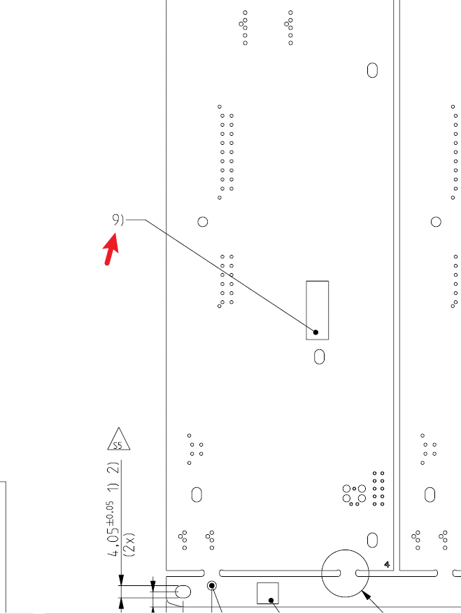 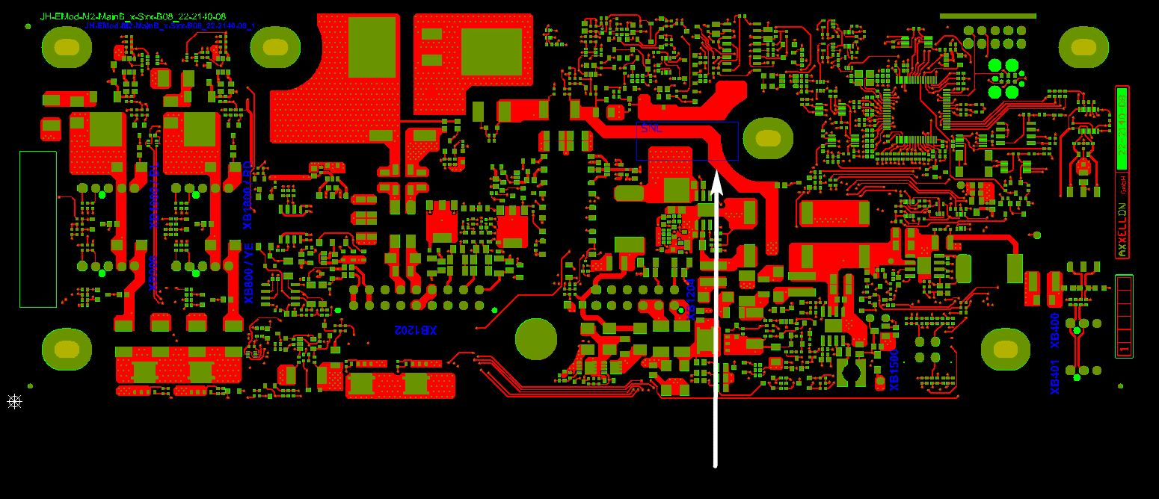 As below picture shown,The requirements of the 9) point are different from the actual Gerber design | please choose A or B: A:we will ignore the 9) point B:Please provide the location requested in the 9) point again |  | Melecs: we will move the Melecs DMC code from this area to TOP copper free area. Option A confirmed.
17 | 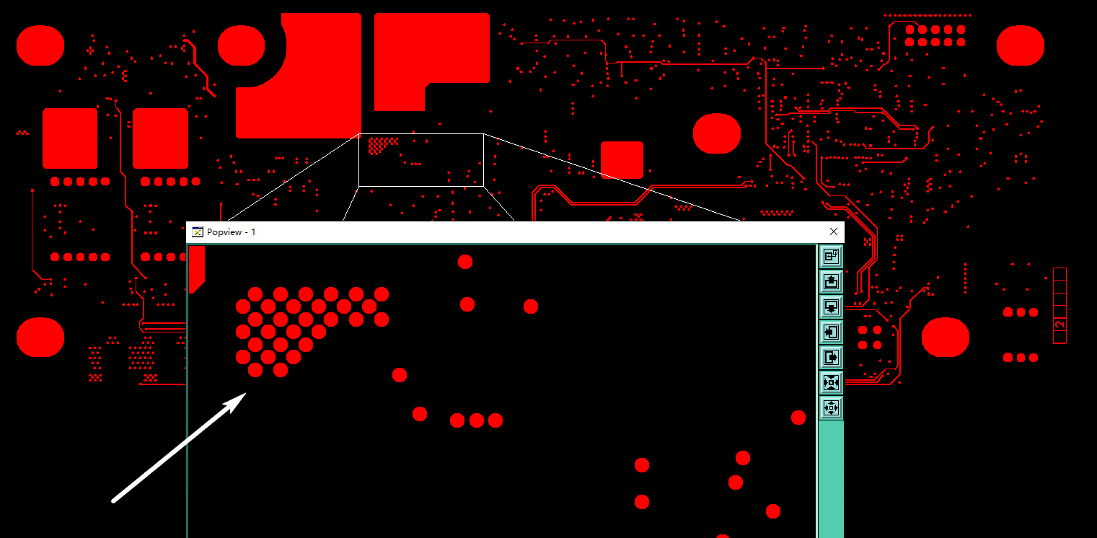 Some isolate pads have been designed in inner layer, which will be peeled off easily in production process, and will cause circuitry to short. Please noted that we didn't show you all the places, we just catch part of the image to show this question | We suggest delete all isolated non-function pad in inner layers Please confirm. |  | Only delete isolated non-function pad in inner layers for hole size 0,3mm or smaller. For which hole size/ outer ring dimensions are isolated non-function pad in inner layers acceptable for you?
18 | 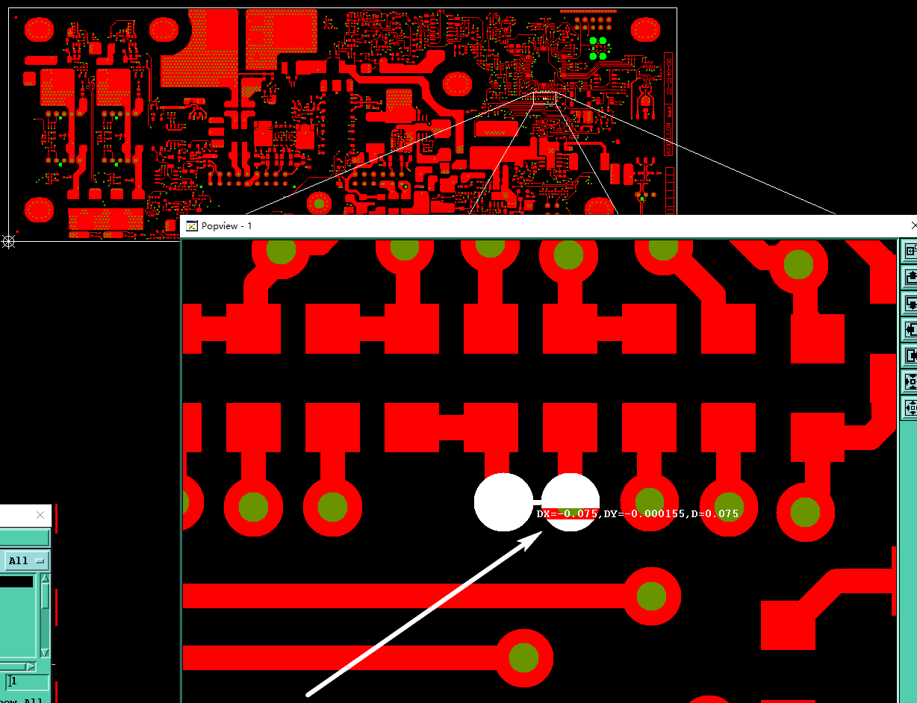 As below picture shown,The spacing between the pads and the network is too small, we can not make the spacing between the pads and the solder mask dam Please noted that we didn't show you all the places, we just catch part of the image to show this question | We suggest that the small pads with the network will be connected, and do not do solder mask dam Please confirm. |  | Please send updated gerber so we can check this
19 | 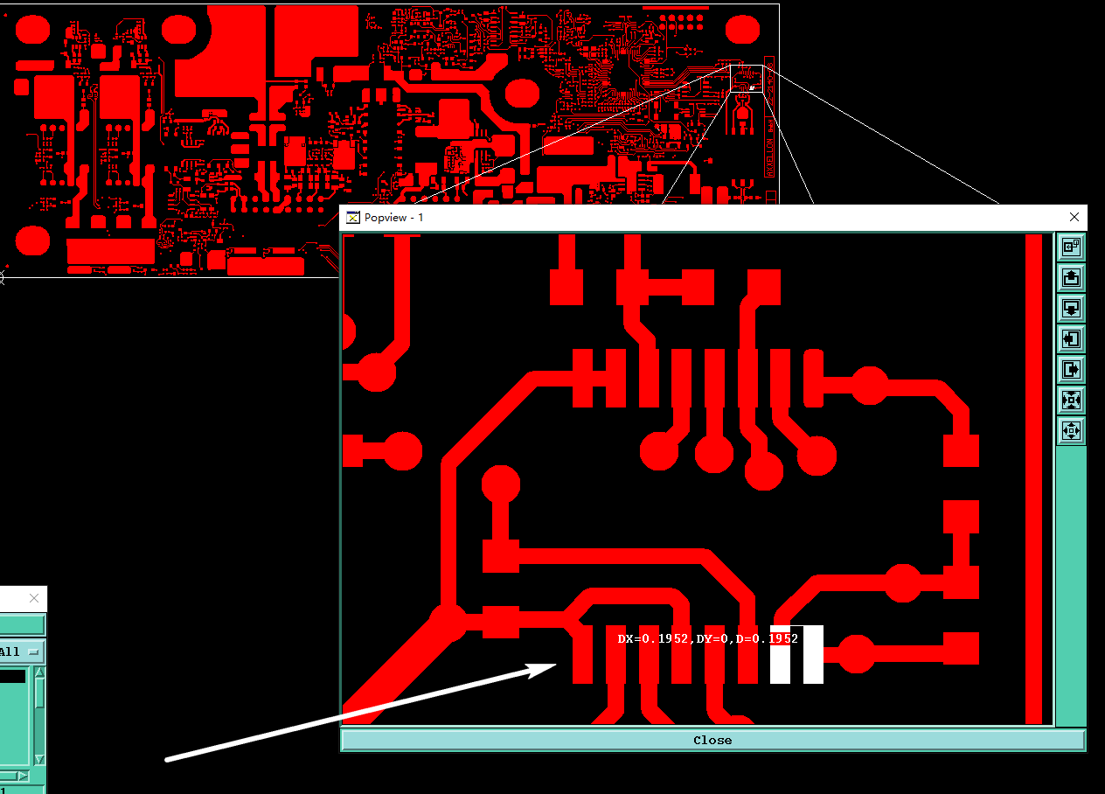 As below picture shown,The spacing between SMD pads are too small , In addition, the solder mask ink is matte green,we can’t build the solder mask dam between them due to the small spacing, we need make copper compensation 0.08mm overall,and we need make minimum 0.1mm soldermask dam for green matte SM to ensure the dam will not peel off, and plus minimum 0.025mm soldermask opening single side, so we need at last 0.23mm gap between the pads in orignial gerber Please noted that we didn't show you all the places, we just catch part of the image to show this question | please choose A or B: A:To make the soldermask dam, we suggest shave the SMD pads to make at least 0.23mm gap between them B:The gap between the smd pads was < 0.23mm,we will not do soldermask dam. |  | Please use option B
 |  |  | STG Date/ Signature | Customer's Date/ Signature
 |  |  | 14.01.2025 STG DE MaG | 14.01.2025 Péter Csubák

